Info
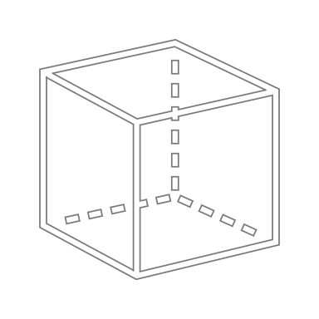
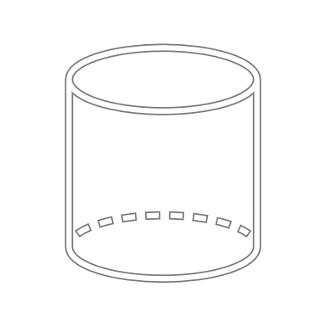
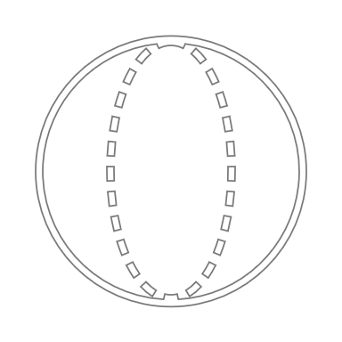
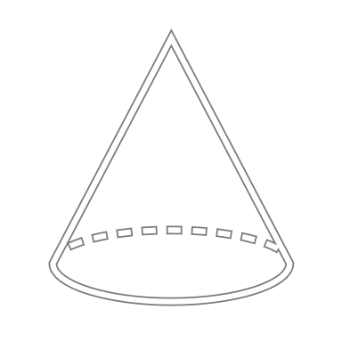
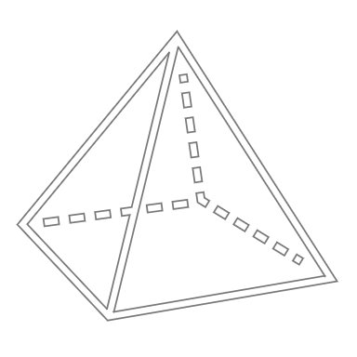
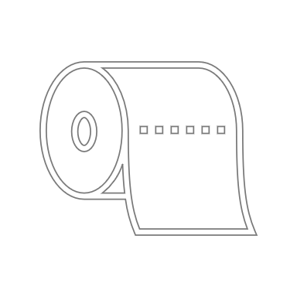
x
z
y
Quader
z
Ø außen
Zylinder
z
Ø außen
Ø innen
Hohlzylinder
z ist immer in Werkzeugöffnungs-
richtung zu wählen
Ø außen
Kugel
z
Ø außen
Kegel
z
Pyramide
x
y
x
y
t
Blech
 | 1 | 2 | 3 | 4 | 5 | 6 | 7 | 8 | 9 | 10 | 11 | 12 | 13 | 14 | 15 | 16 | 17
 |  |  |  |  | Dimensions in mm
 | Part | Shape | Material | Density in kg/dm³ | x | y | z | t | Ø outer | Ø inner | Correction factor | Surface area in mm² | Proj. area in mm² | Volume in mm³ | Mass in g | Mass in kg | Notes
 | Bauteil | Form | Material | Dichte | x | y | z | t | Ø außen | Ø innen | Faktor | Oberfläche | Proj. Fläche | Volumen | Masse in g | Masse | Anmerkungen
 |  |  |  | [Input] | 0 | 0 | 0 | 0 | 0 | 0 | 100% | 0 | 0 | 0 | 0 | 0.00
 |  |  | 0 | [Input] | 0 | 0 | 0 | 0 | 0 | 0 | 100% | 0 | 0 | 0 | 0 | 0.00
 |  |  | 0 | [Input] | 0 | 0 | 0 | 0 | 0 | 0 | 100% | 0 | 0 | 0 | 0 | 0.00
 |  |  | 0 | [Input] | 0 | 0 | 0 | 0 | 0 | 0 | 100% | 0 | 0 | 0 | 0 | 0.00

 | Label Rolle | 967.74 | mm² | 0.000014222 | €
 |  | 1 | mm² | 1.47E-08 | €

UI | Label QR (7 x 7) mm | 49 | mm² | 7.20E-07 | €
Middle | Label (25 x 4) mm | 100 | mm² | 1.47E-06 | €
Upper | Label (22 x 13 ) mm | 286 | mm² | 4.20E-06 | €

